Date Formats
DATE FORMATS

2023-06-12

Right Click > Format Cells OR Ctrl + 1
Number > Category > Custom > Type

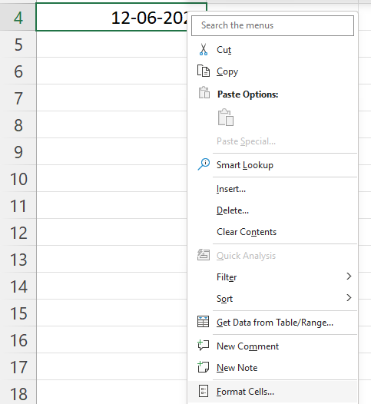
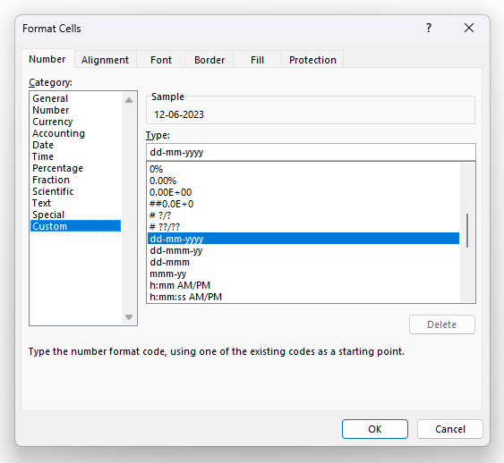
TEXT changes the value (it is NOT a date anymore)
Format only changes the appearance, not the value (it still remains a date)

Extract Date Parts
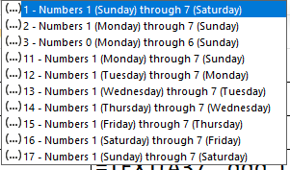
2023-06-12 | 2023 | =YEAR(A28)
2023-06-12 | 6 | =MONTH(A29)
2023-06-12 | 12 | =DAY(A30)
2023-06-12 | 1 | =WEEKDAY(A31, 2)

Can also change formats using TEXT function

2023-06-12 | 12 | =TEXT(A35, "d")
2023-06-12 | 12 | =TEXT(A36, "dd")
2023-06-12 | Mon | =TEXT(A37, "ddd")
2023-06-12 | Monday | =TEXT(A38, "dddd")
2023-06-12 | 6 | =TEXT(A39, "m")
2023-06-12 | 06 | =TEXT(A40, "mm")
2023-06-12 | Jun | =TEXT(A41, "mmm")
2023-06-12 | June | =TEXT(A42, "mmmm")
2023-06-12 | 23 | =TEXT(A43, "y")
2023-06-12 | 23 | =TEXT(A44, "yy")
2023-06-12 | 2023 | =TEXT(A45, "yyyy")
2023-06-12 | Jun - 2023 | =TEXT(A46, "mmm - yyyy")
2023-06-12 | Monday, 12-06-2023 | =TEXT(A47, "dddd, dd-mm-yyyy")

Diff
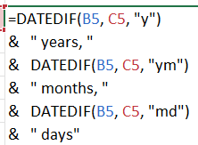
Find Difference in Years, Months, Days

Start Date | End Date
2-Jun-23 | 1-Apr-25 | 1 years, 9 months, 30 days | =DATEDIF(B5, C5, "y") & " years, " & DATEDIF(B5, C5, "ym") & " months, " & DATEDIF(B5, C5, "md") & " days"
2-Jun-23 | 1-Apr-25 | 1 | =DATEDIF(B6, C6, "y")
2-Jun-23 | 1-Apr-25 | 21 | =DATEDIF(B7, C7, "m")

2-Jun-23 | 2-Nov-23 | 0 years, 5 months, 0 days
2-Jun-23 | 19-Nov-25 | 2 years, 5 months, 17 days

Add Hours
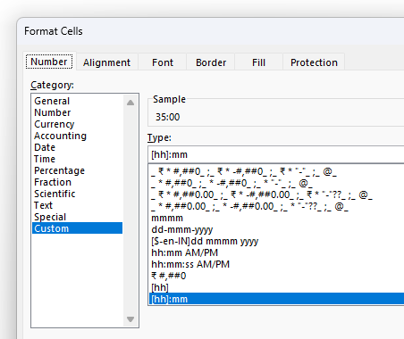
Add Hours

10:00:00
20:00:00
5:00:00
35:00:00

